Sheet1
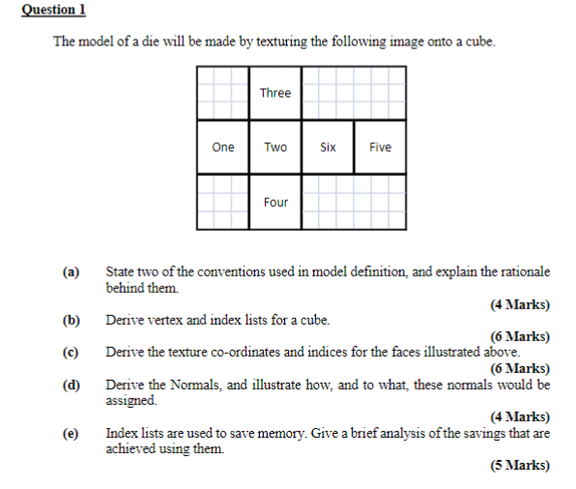

12
13

10
11
7
8
9

2
3
4
5
6
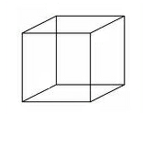
4
7
0
3
0
1
6
5

1
2

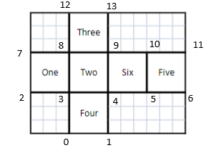
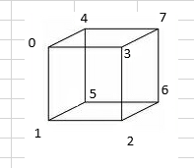
Vertex L:ist | x | y | z
0 | -1 | 1 | 1
1 | -1 | -1 | 1
2 | 1 | -1 | 1
3 | 1 | 1 | 1
4 | -1 | 1 | -1
5 | -1 | -1 | -1
6 | 1 | -1 | -1
7 | 1 | 1 | -1

Index List |  |  |  | Texture Indices |  |  | Normals
Front | 0 | 1 | 2 | 8 | 3 | 4 | 0 | 0 | 1
 | 0 | 2 | 3 | 8 | 4 | 9 | 0 | 0 | 1
Back | 4 | 7 | 6 | 11 | 10 | 5 | 0 | 0 | -1
 | 4 | 6 | 5 | 11 | 5 | 6 | 0 | 0 | -1
Right | 2 | 6 | 7 | 4 | 5 | 10 | 1 | 0 | 0
 | 2 | 7 | 3 | 4 | 10 | 9 | 1 | 0 | 0
Left | 0 | 4 | 5 | 8 | 7 | 2 | -1 | 0 | 0
 | 0 | 5 | 1 | 8 | 2 | 3 | -1 | 0 | 0
Top | 0 | 3 | 7 | 8 | 9 | 13 | 0 | 1 | 0
 | 0 | 7 | 4 | 8 | 13 | 12 | 0 | 1 | 0
Base | 1 | 5 | 6 | 3 | 0 | 1 | 0 | -1 | 0
 | 1 | 6 | 2 | 3 | 1 | 4 | 0 | -1 | 0

Texture Coords
 | u | v
0 | 0.25 | 0
1 | 0.5 | 0
2 | 0 | 0.33333333333
3 | 0.25 | 0.33333333333
4 | 0.5 | 0.33333333333
5 | 0.75 | 0.33333333333
6 | 1 | 0.33333333333
7 | 0 | 0.66666666667
8 | 0.25 | 0.66666666667
9 | 0.5 | 0.66666666667
10 | 0.75 | 0.66666666667
11 | 1 | 0.66666666667
12 | 0.25 | 1
13 | 0.5 | 1

